Q.3
3. How do you record a macro? Write detailed steps to create a macro to automatically make the following table in bold and to create borders for it in excel.

 | hi | 78 | Xyz
 | hello | 69
 | ineuron | 45

1. Click the Developer tab.
2. In the Code group, click on the Macro button. This will open the ‘Record Macro’ dialog box.

3. In the Record Macro dialog box, enter a name for your macro. I am using the name EnterText. There are some naming conditions that you need to follow when naming a macro. For example, you can not use spaces in between. I usually prefer to keep my macro names as a single word, with different parts with a capitalized first alphabet. You can also use underscore to separate two words – such as Enter_Text.

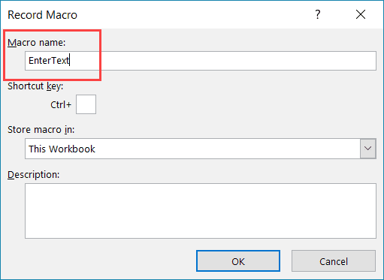

4. (Optional Step) You can assign a keyboard shortcut if you want. In this case, we will use the shortcut Control + Shift + N. Remember that the shortcut you assign here would override any existing shorcuts in your workbook. For example, if you assign the shortcut Control + S, you will not be able to use this for saving the workbook (instead, everytime you use it, it will execute the macro).

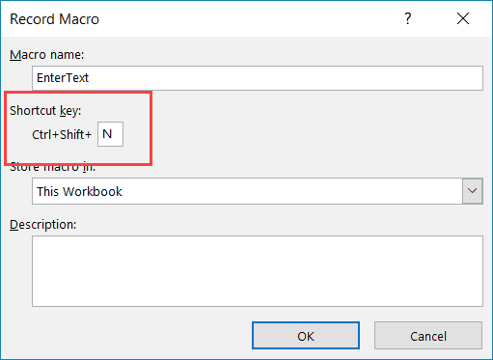

5. In the ‘Store macro in’ option, make sure ‘This Workbook’ is selected. This step ensures that the macro is a part of the workbook. It will be there when you save it and reopen again, or even if you share it with someone.

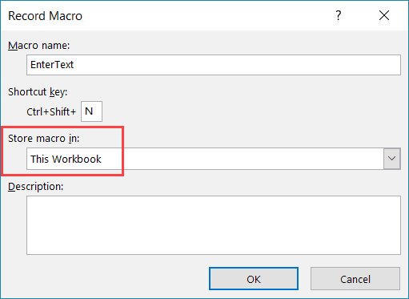

6. (Optional Step) Enter a description. I usually don’t do this, but if you’re extremely organized, you may want to add what the macro is about.
7. Click OK. As soon as you click OK, it starts to record your actions in Excel. You can see the ‘Stop recording’ button in the Developer tab, which indicates that the macro recording is in progress.
8. Select cell G5
9. select home > bold and all border
10. Click on the Stop Recording button the Developer tab.

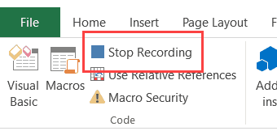

11. Select C5:D7 and press clt + shift + N
12. In the Save As box, in the Save as type list box, choose Excel Macro-Enabled Workbook (*.xlsm).

Q.5
5. Briefly describe the interface of a VBA editor? What is properties window? And what is watch window? How do you display these windows?

Ans :

 | What Is The Visual Basic Editor
 | The Visual Basic Editor is not exactly the same as Excel. It is actually a separate application, even though you'll usually open it through Excel. In fact, in order for the VBE to be able to run, Excel must be open.
 | The main function of the VBE is to allow you to write and edit VBA code.
 | The Visual Basic Editor is sometimes referred to as the Integrated Development Environment (IDE). In this Excel tutorial, I use the first term (Visual Basic Editor or VBE) but don't be confused if you see the second term being used in other places.
 | How To Open The Visual Basic Editor In Excel
 | You can open the VBE using either of the following methods:
 | Click on “Visual Basic” in the Developer tab of the Ribbon.

 | Use the keyboard shortcut “Alt + F11”.
 | How Does The Visual Basic Editor Look
 | The basic VBE window can be divided in the following 6 sections, all of which I explain below. In reality, there are more components than those which appear in this screenshot (such as the Locals and Watch Windows) but, since they're more advanced, I'll cover them in a future Excel tutorial.
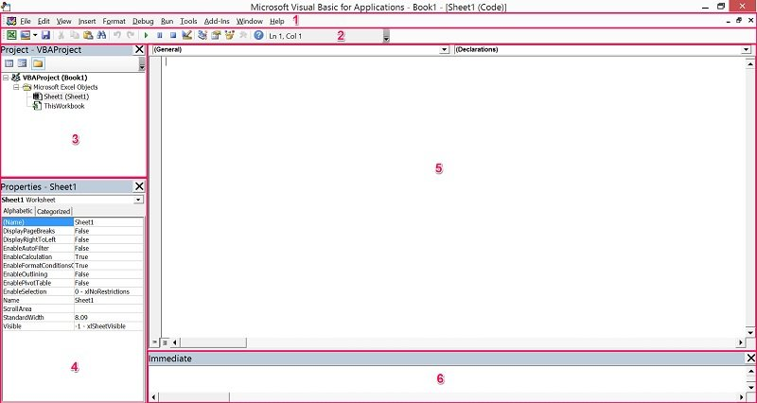

 | The Visual Basic Editor:
 | Has several windows.
 | Is highly customizable.
 | As a consequence of the above, there is the possibility that your VBE window doesn't look exactly as the screenshot above.
 | In fact, if this is the first time that you're opening the Visual Basic Editor, you probably can't see element #6 that appears in the lower part of the image above. The reason is that this particular window (known as the Immediate Window) is, by default, hidden. I explain how you can easily unhide it below.
 | As you get more familiar with the VBE, you'll notice that you have a lot of flexibility regarding how the interface looks like. The Visual Basic Editor allows you to, for example:
 | Hide or un-hide windows.
 | Move or re-arrange windows.
 | Dock windows.
 | Let's dive right in and understand the 6 main components of the Visual Basic Editor.
 | Component #1: Menu Bar

 | If you've been using computers for a reasonable amount of time, you're probably quite familiar with menu bars. If that's the case, the VBE menu bar is not very different from the other menu bars you've seen before.
 | The menu bar, basically, contains several drop-down menus. Each of the drop-down menus contains commands that you can use to interact and do things with the different components of the Visual Basic Editor.
 | One thing you'll notice when clicking on any menu, is that several commands have a keyboard shortcut that is displayed at that point. Take a look, for example, at the Debug menu and notice all the keyboard shortcuts that appear on the right side of this image:

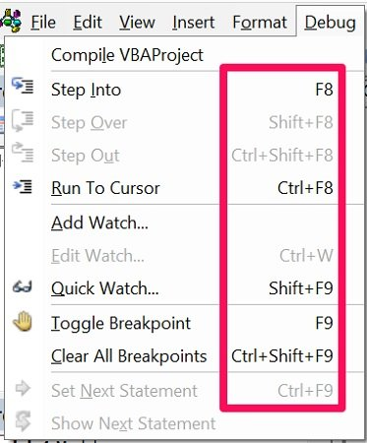

 | Component #2: Toolbar

 | Again, if you're a computer user, a toolbar is an item that you've probably seen many times before. You're probably aware that a toolbar contains on-screen buttons, icons, menus and other similar elements that you can use while working with the VBE.
 | The toolbar that appears in the screenshot above is called the Standard toolbar. This is the only toolbar that the Visual Basic Editor displays by default. There are, however, 3 other basic toolbars:
 | The Debug toolbar.
 | The Edit toolbar.
 | The UserForm toolbar.
 | In addition to the above, the VBE gives you the possibility to customize the toolbars in several ways.
 | You can change all of these settings by going to the View menu and selecting “Toolbars”. The Visual Basic Editor displays a menu with the 4 different toolbars and the option to access the Customize dialog.
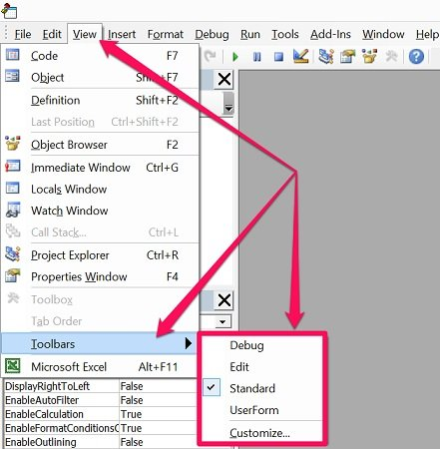

 | The toolbars with a checkmark to their left are those currently displayed by Excel. You can add or remove a checkmark in order to display or hide a particular toolbar by clicking on its name. For example, in the screenshot below, only the Standard toolbar is being displayed.
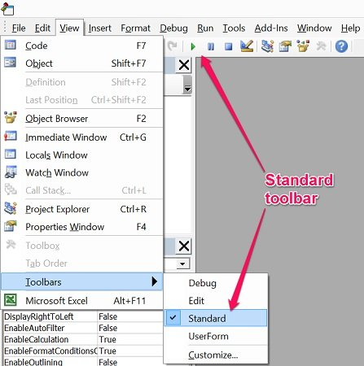

 | If you click on “Customize”, the Visual Basic Editor displays the Customize dialog, which looks as follows:

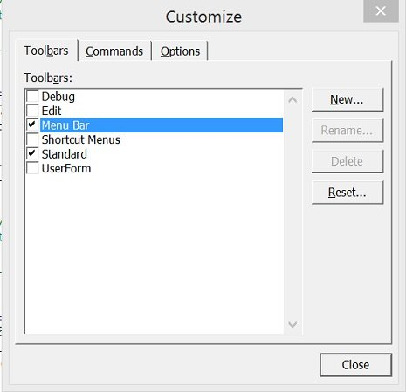

 | Using this dialog box, you can control additional aspects regarding the toolbars that are displayed by the VBE. This includes, for example, the possibility of controlling the display of the Shortcut Menus toolbar or adding new toolbars.
 | You may be wondering what toolbar display set up is commonly applied by VBA users. In practice, there are different opinions.
 | Some advanced VBE users use the default settings.
 | However, other advanced VBA users display several toolbars.
 | You can also add commonly used commands that aren't by default in the Standard toolbar.
 | Component #3: Project Window / Project Explorer
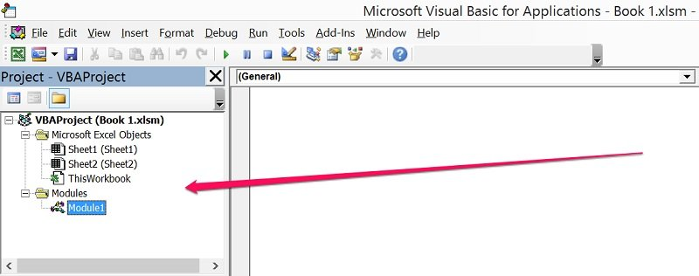

 | The Project Window, also known as the Project Explorer, is useful for navigation purposes.
 | This is the section of the Visual Basic Editor where you'll be able to find every single Excel workbook that is currently open. This includes add-ins and hidden workbooks. More particularly, each Excel workbook or add-in that is open at the moment appears in the Project Explorer as a separate project.
 | A project is (basically/simply) a set of modules. If it makes it easier to understand you can take John Walkenbach's explanation in Excel VBA Programming for Dummies, who says that a project can be seen as “a collection of objects arranged as an outline”.
 | As explained by Walkenbach in Excel 2013 Power Programming with VBA, each project may have the following nodes:
 | A node called “Microsoft Excel Objects” always appears in any project. This node usually contains 2 types of objects:
 | #1: Each worksheet in the relevant Excel workbook. In other words, each of the worksheets is considered a separate object.
 | #2: The Excel workbook itself, called “ThisWorkbook”.
 | The Modules node appears when the project contains VBA modules.
 | If the project contains UserForm objects, which are used to create custom dialog boxes, the Project Explorer displays a node called “Forms”.
 | A project can also contain class modules (modules that define a class) and, in that case, the Project Window displays a node called “Class Modules”.
 | Finally, if a project has references, there is a node called “References”.
 | Let's take a look at how all of this looks in the VBE interface:
 | In the screenshot below, the only project that appears is the Excel workbook “Book 1. xlsm”. Within the Microsoft Excel Objects node, you can see that the Excel workbook has 2 worksheets. Finally, this particular project contains 1 VBA module and, therefore, the Modules node is visible. There are, however, no UserForm objects, class modules or references. Therefore, the Forms, Class Modules and References nodes don't appear.

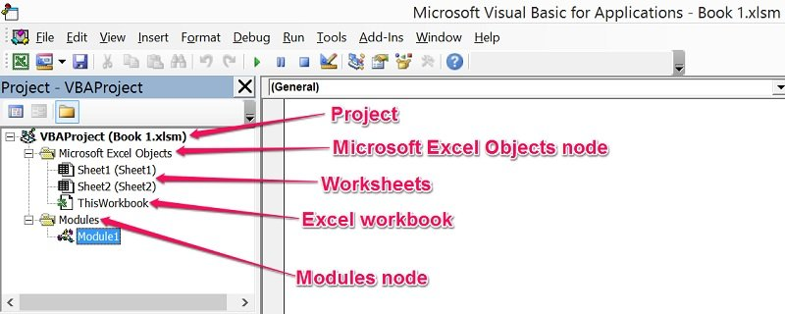

 | You can expand or contract the items that appear in the outline by double-clicking on them or by clicking on the “+” or “-” that appear to the left of each item, depending on the case.

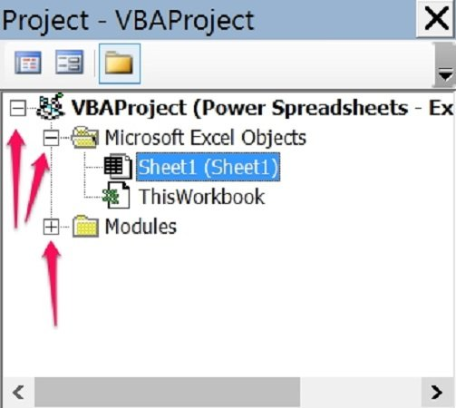

 | You can also control whether the items that are displayed in the Project Window appear in a hierarchical or a non-hierarchical list. You change this setting by clicking on the Toggle Folders button of the Project Window.

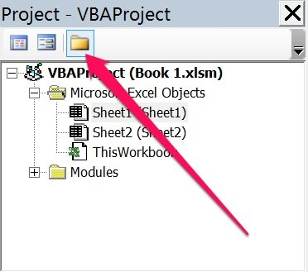

 | The screenshot above shows items being displayed in a hierarchical list. When displayed in a non-hierarchical list, the Project Window looks roughly as follows:

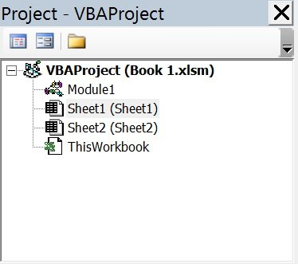

 | You can also hide or unhide the Project Explorer itself. I explain how to do this below.
 | How To Display The Project Window
 | If you can't see the Project Explorer, you can make the Visual Basic Editor display it by using any of the following methods:
 | Clicking on “Project Explorer” in the View menu.

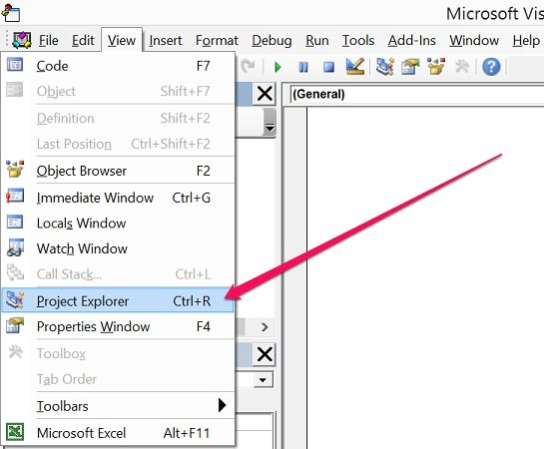

 | Clicking on the Project Explorer icon in the toolbar.

 | Using the keyword shortcut “Ctrl + R”.
 | How To Hide The Project Window
 | You can hide the Project Explorer by using either of the following methods:
 | Clicking on the close button of the Project Window.

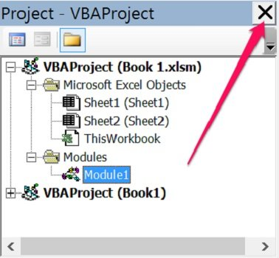

 | Right-clicking anywhere on the Project Explorer and selecting “Hide”.

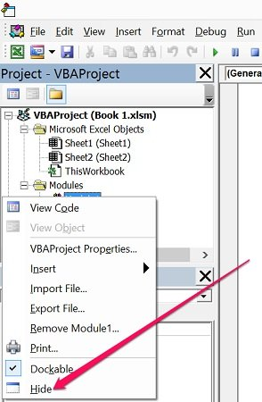

 | Component #4: Properties Window
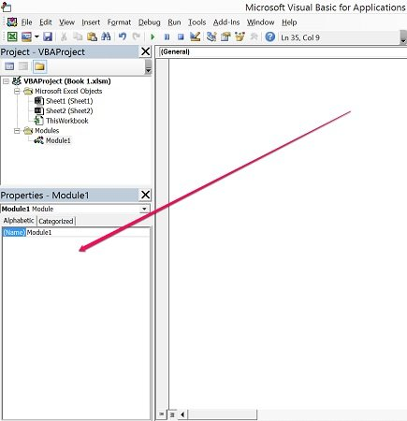

 | The Properties Window displays the properties of the object that is currently selected in the Project Explorer and allows you to edit those properties.
 | Just as with the Project Window, you can hide or unhide the Properties Window. You're likely to (eventually) work with the Properties Window, particularly in the context of creating UserForms. If you're just beginning to use the VBE, you probably won't need this window too much.
 | In any case, let's take a look at how you can hide or unhide the Properties Window.
 | How To Unhide The Properties Window
 | You can get the Visual Basic Editor to show the Properties Window by using any of the following methods.
 | Clicking on “Properties Window” within the View menu.

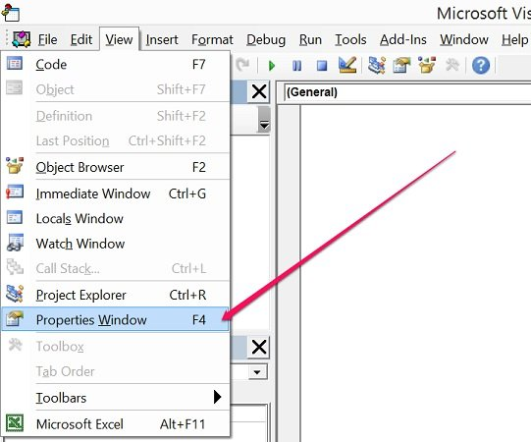

 | Clicking on the Properties Window icon.

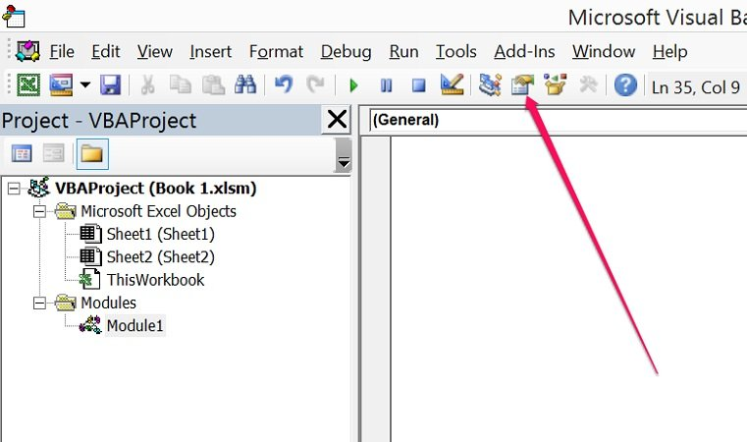

 | Using the “F4” keyboard shortcut.
 | How To Hide The Properties Window
 | You can get the Visual Basic Editor to hide the Properties Window by doing either of the following:
 | Click on the Close button of the Properties Window.

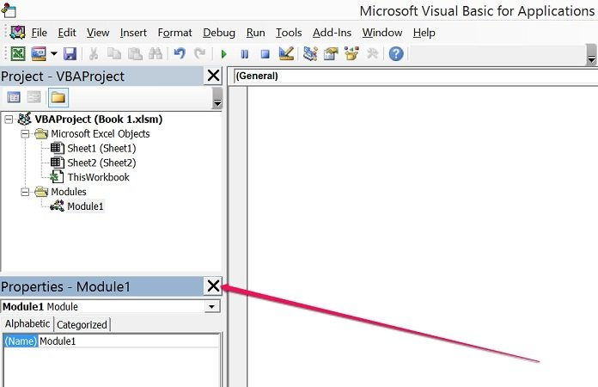

 | Right-click on the Properties Window and select “Hide”.

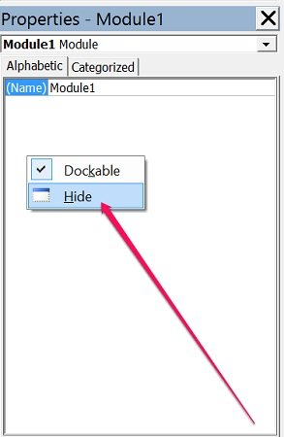

 | Component #5: Programming Window / Code Window / Module Window
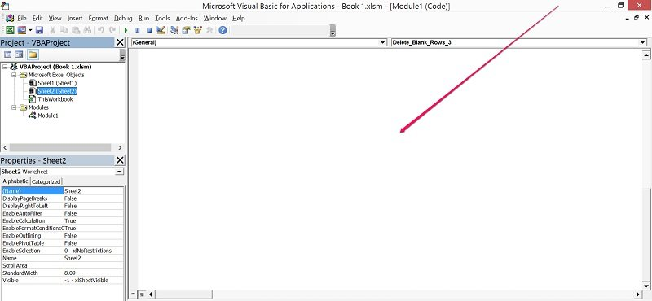

 | As you may expect, the Code Window of the Visual Basic Editor is where your VBA code appears, and where you can write and edit such code. At the beginning, though, the Programming Window is empty as in the screenshot above.
 | There is a Code Window for every single object in a project. You can access the window of a particular object by going to the Project Explorer and doing any of the following:
 | Double clicking on the object. The main exception to this rule are UserForms. If you double-click on a UserForm, the Visual Basic Editor displays the UserForm in Design view, a topic I'll cover in future tutorials.

 | Selecting the object and, then, clicking on “Code” in the View menu.

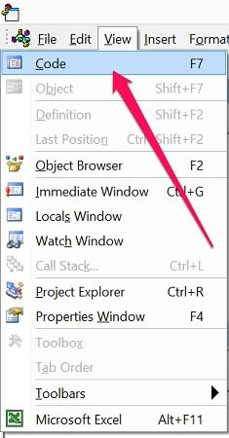

 | Selecting the object and clicking on the View Code icon that appears at the top of the Project Explorer.

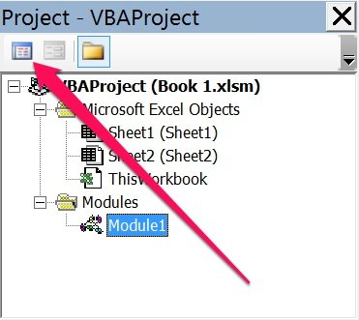

 | Right-clicking on the object and selecting “View Code”.

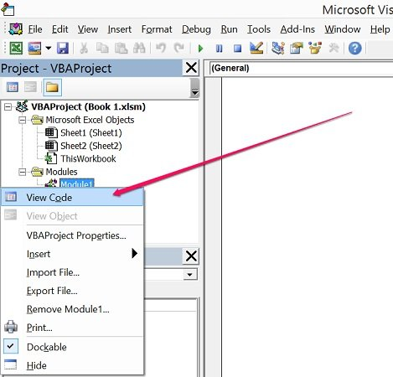

 | Using the keyboard shortcut “F7”.
 | Component # 6: Immediate Window
 | The main purpose of the Immediate Window is to help you noticing errors, checking or debugging VBA code.
 | The Immediate Window is, by default, hidden. However, as with most of the other windows, you can unhide it. Let' take a look at how you can do both the hiding and the un-hiding:
 | How To Unhide The Immediate Window
 | You can unhide the Immediate Window by doing either of the following:
 | Clicking on “Immediate Window” in the View menu.

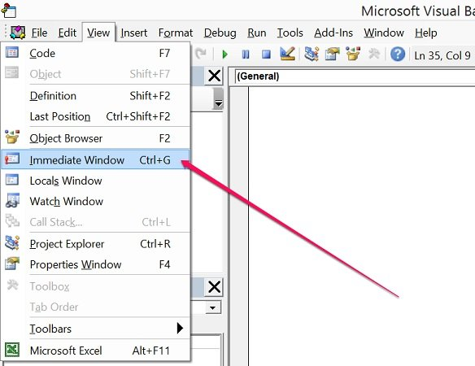

 | Using the “Ctrl + G” keyboard shortcut.
 | However, as explained in Excel VBA Programming for Dummies, if you're just getting started with the VBE “this window won't be all that useful”. Therefore, if you're just beginning to work with macros and Visual Basic for Applications, you probably don't need to display the Immediate Window.
 | If you're a more advanced user, you'll probably want to have the Visual Basic Editor show the Immediate Window, since this can be very useful.
 | How To Hide The Immediate Window
 | You can hide the Immediate Window using either of the following methods:
 | Click the Close button.

 | Right-click on the Immediate Window and select “Hide”.

 | You already know that:
 | The VBE allows you to customize several aspects.
 | On your way to becoming a macro and VBA expert you'll probably spend a significant amount of time working with the Visual Basic Editor.
 | Therefore, its important to have a basic idea of…
 | How To Customize The Visual Basic Editor
 | If you want to customize the Visual Basic Editor, the first thing you'll want to do is open the Options dialog. To do this, go to the Tools menu and click on “Options”.
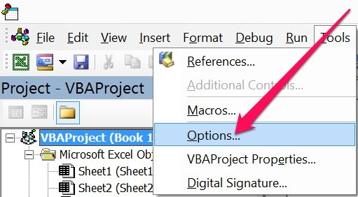

 | The Options dialog looks roughly as follows.
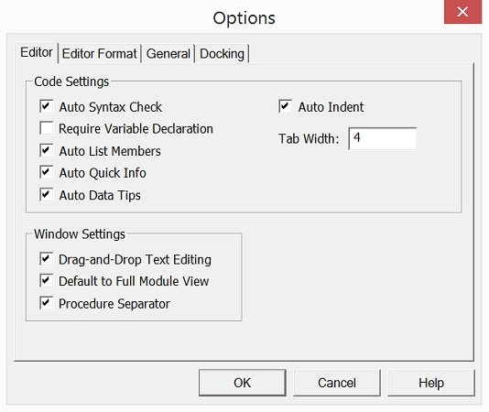

 | As you can see, there are plenty of settings you can modify. In most cases, you can enable or disable an option by clicking on the blank box to the left of it. If there is a checkmark, the option is enabled. If the box is empty, the option is not enabled.
 | In the screenshot above, the only option that is not enabled is “Require Variable Declaration”.
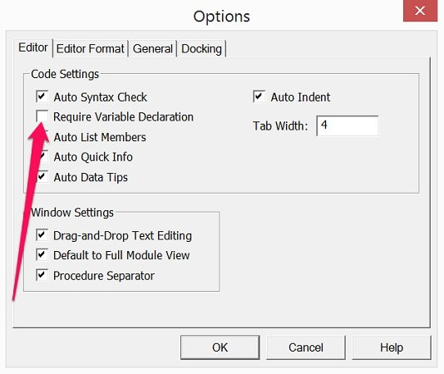

 | For the moment, let's take a look at some of the most common suggestions made by Excel experts. The following sections go separately through each of the 4 tabs in the Options dialog:
 | Editor.
 | Editor Format.
 | General.
 | Docking.
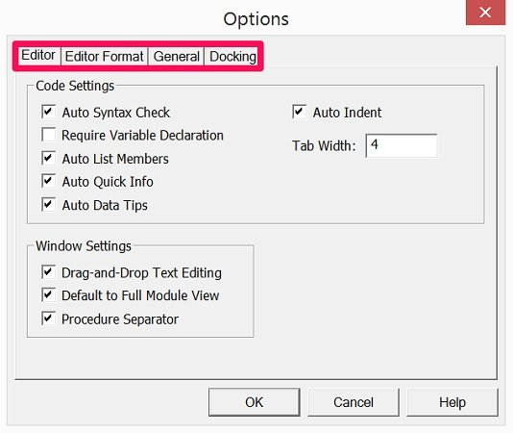

 | Editor Tab
 | The Editor tab is where you can determine the settings for the Code Window and Project Window. Let's take a look at the main settings of this tab.

Q.6
6. What is an immediate Window and what is it used for?

The VBA Immediate Window is a great tool that can help any Excel user, even if you are not writing macros. Learn how to get answers about your Excel file, quickly run macros, debug your code, and more. Free file to download contains VBA code samples.
The VBA Immediate Window is an awesome tool that allows you to get immediate answers about your Excel files, and quickly execute code. It is built into the Visual Basic Editor, and has many different uses that can be very helpful when writing macros, debugging code, and displaying the results of your code.
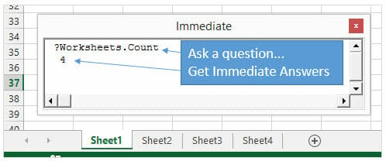

Every Excel user can benefit from the Immediate Window, even if you're not writing macros. This post will explain 5 different uses for the Immediate Window. Once you understand the capabilities of this tool, you will find yourself using it all the time.
Where is the Immediate Window?
The Immediate window is located in the Visual Basic Editor window.
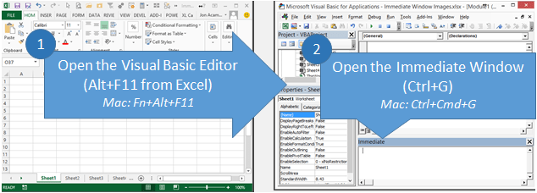

The fastest way to get to the Immediate Window is to:
1. Press Alt+F11 (hold Alt key, then press F11 key) from anywhere in Excel. The Visual Basic Editor window will open. (Mac version is Fn+Alt+F11)
2. Pressing Ctrl+G opens the Immediate Window and places the text cursor in it. Begin typing your code. (Mac version is Ctrl+Cmd+G)
When you open the VB Editor (Alt+F11) you might see the Immediate Window automatically appear in the bottom right corner. This is its default location. If it's not there you can press Ctrl+G or View menu > Immediate Window.

